Cover Sheet
First Round | NIBC 2024 Global Competition
Diageo PLC Valuation Model
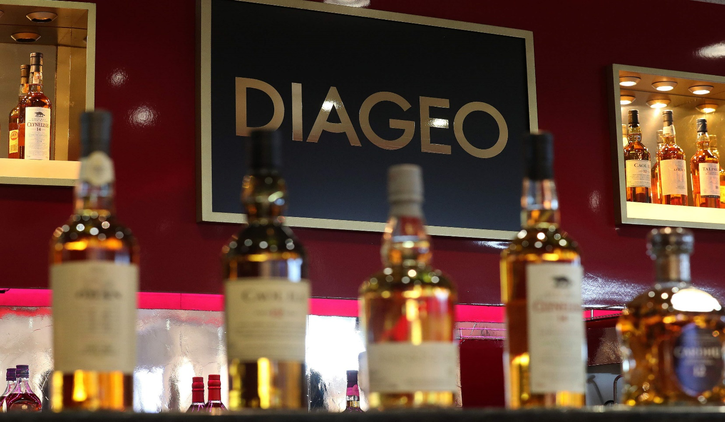

LEGAL DISCLAIMER

Important Notice: The case model and package including attachments are a copyright of the Board Oversight Committee of the National Investment Banking Competition (NIBC) and intended to be used only by registered competitors in NIBC. The information contained herein is copyrighted, proprietary and has not been reviewed for general external publication or audited and therefore should not be relied on or used for any other purpose than preparing a submission for the the NIBC competition. No one may copy, republish, reproduce or redistribute in any form, including electronic reproduction by "uploading" or "downloading", without prior written consent by the copyright holders. Any such use or violation of copyright will be prosecuted to the full extent of law.

For additional case resources and templates please refer to the templates section of our training library: |  | www.NIBCLive.com

SHEET | DESCRIPTION
Discounted Cash Flow Valuation
DCF - Outputs | Summary and model outputs [PowerPoint Output]
DCF - Assumptions | Assumptions and inputs
DCF - Financials | Historical and projected financial results
DCF - Capital Structure | Financing assumptions and calculations
DCF - Valuation | Valuation assumptions and calculations
DCF - Assumptions Document | Summary of key assumptions [PowerPoint Output]

Trading Comparables Valuation
Comps - Selection | Summary of valuation model outputs [PowerPoint Output]
Comps - Outputs | Summary of comps outputs [PowerPoint Output]
Comps - Dataset | Peergroup dataset and calculations

Precedent Transactions Valuation
Precedents - Selection | Summary of model outputs [PowerPoint Output]
Precedents - Dataset | Transaction dataset and calculations [PowerPoint Output - Please Note!]

Leveraged Buyout [REFERENCE ONLY]
LBO - Outputs | Summary of model outputs [REFERENCE ONLY - Not a First Round Deliverable]
LBO - Assumptions | Assumptions and inputs [REFERENCE ONLY - Not a First Round Deliverable]
LBO - Financials | Projected financial results [REFERENCE ONLY - Not a First Round Deliverable]
LBO - Assumptions Document | Summary of key assumptions [REFERENCE ONLY - Not a First Round Deliverable]

MODEL NOTES & LEGEND

Legend for Color Coding [mainly applies to DCF & pages]

- Assumptions to be filled in |  |  | [ Blank ]
- Formulas to be filled in |  |  | [ Blank ]
- Assumptions are placeholders and should be changed based on discretion |  |  | Blue Text
- Assumptions that should be linked to scenario choosers |  |  | Orange Text
- Inputs or historical figures provided [do not change] |  |  | Blue Text
- Formulas provided |  |  | Black Text
- Formulas provided |  |  | Black Text

Important Notes
- The above does not apply to summary output pages, which for the most are already fully linked up
- Cells that have existing formulas or inputs should not be modified regarldess of shading unless specifically indicated
- Currencies are in pound sterlings, unless otherwise specified
- Amounts are in millions, unless otherwise specified
- Cash flows are assumed to occur at the end of the period

We wish you much success in the NIBC 2024 Global Investment Banking Competition!

